Calculations
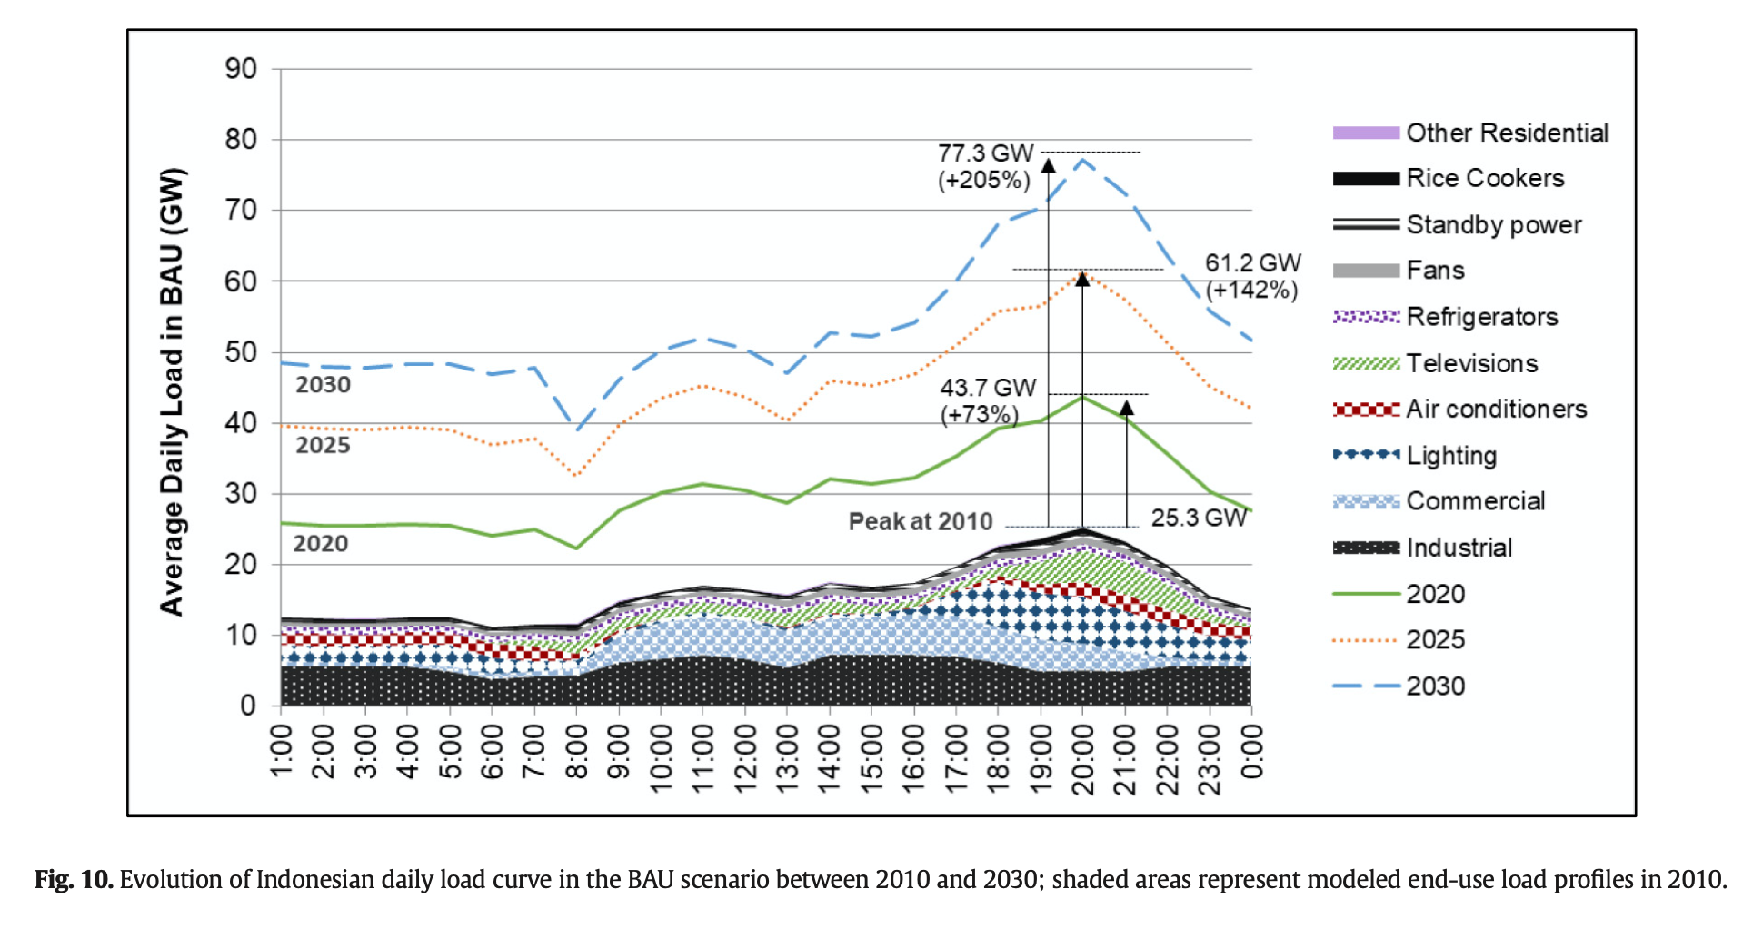
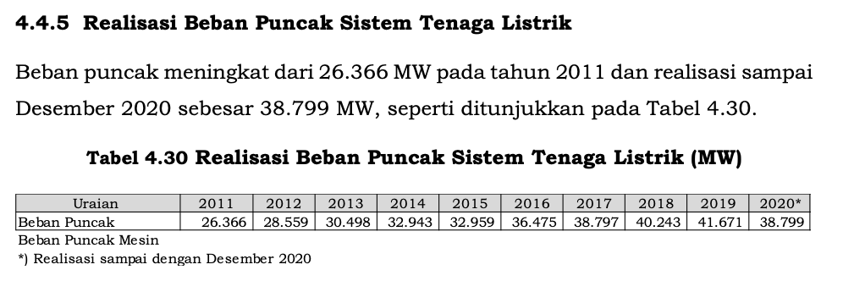
Indonesia's Peak Demand 2010-2030 (in MW)
 | 2010 | 2011 | 2012 | 2013 | 2014 | 2015 | 2016 | 2017 | 2018 | 2019 | 2020 | 2021 | 2022 | 2023 | 2024 | 2025 | 2026 | 2027 | 2028 | 2029 | 2030
Peak Demand | 25300 | 26366 | 28559 | 30498 | 32943 | 32959 | 36475 | 38797 | 40243 | 41671 | 38799 | 43279.2 | 47759.4 | 52239.6 | 56719.8 | 61200 | 64420 | 67640 | 70860 | 74080 | 77300

 | For Interpolation
 | 2020 | 2025 | 2030
Peak Demand | 38799 | 61200 | 77300
Source | RUPTL, McNeil et al., 2019
 | 2021 | 2025 | 2030
Demand Response (GW) | 0 | 15200 | 22900
Source | McNeil et al., 2019
Note: assuming that DRC in 2021 is still 0

